Company Background
Max Healthcare Institute is an integrated healthcare service provider, engaged in provision of healthcare services through primary care clinics, multi speciality Hospitals / medical centres and super-speciality hospitals facilities. These include 'managed facilities' and medical facilities of third party healthcare service providers with whom, the company has entered into long term service contracts for providing operation and management, medical services, clinical, radiology, pathology services and related healthcare services. The company operates across Delhi NCR, Haryana, Punjab, Uttarakhand, Maharashtra, and Uttar Pradesh. To expand its footprint, Max Healthcare acquired Alexis Multispeciality Hospital in Nagpur and Sahara Hospital in Lucknow in 2024. Beyond hospitals, it runs Max@Home for home healthcare services and Max Lab for pathology services outside its hospital network

The company is India’s 2nd largest hospital chain in terms of hospital revenue, EBITDA, and market capitalization.

Operational Metrics:
ARPOB : 77,000 in H1 FY25 vs 76,000 in FY24
Occupancy: 77% in H1 FY25 vs 75% in FY24
EBITDA Per Bed: 71 Lac in H1 FY25 vs 74 Lac in FY24

Hospital Network: |  | The company operates 22 healthcare facilities with 5,000 beds, primarily in North India.
Debt | The total debt has increased from Rs. 913 Cr in FY22 to Rs. 1,768 Cr in Q2 FY25.

1) Max Healthcare: The company provides various medical services, from routine checkups to advanced surgeries across various specialties including cardiac care, orthopedics, oncology, renal sciences, neurosciences, transplants, nephrology, general surgery, etc. Additionally, it offers laboratory diagnostics, radiology, imaging, emergency care, consultations for different health conditions, tests, and screenings for preventive healthcare.
2) Max@Home: The company offers health and wellness services including home-based lab tests, physiotherapy, medication delivery, dialysis, and mother-and-child care. It also provides diagnostic services, operates medical rooms in corporate offices and schools, offers 24/7 customer support, and manages over 3,000 daily transactions.[6] [7]
3) Max Lab: The company provides preventive health packages and specialty diagnostic services outside its hospital network through direct and partner channels. As of Q2 FY25, it operates 475 partner-run collection centers, 24 company-owned centers, 165+ on-site phlebotomists, 365+ pick-up points, 47 HLMs/OLMs, and serves 50 cities through 1,150+ active partners.
International Presence: The company has established patient assistance centers (PACs) in 9 countries including Kenya, Nigeria, UAE, Oman, Myanmar, Ethiopia, Uzbekistan, Nepal, and Bangladesh. It also has an indirect presence in 6 countries through 9 partner offices

Capacity Expansion: The company plans to add 3600+ beds by FY28 including 408 in H2 FY25 with a planned capex of 5300 Cr+. Further, it plans to add 2900 beds in FY29 and beyond taking total bed capacity to 11,000+ beds.
Bed Addition Schedule H2 FY25: 408 for Rs 1044 Cr FY26: 1596 for Rs 1596 Cr FY27: 640 for Rs 1604 Cr FY28: 1588 for Rs 1095 Cr

Capacity Expansion
The company plans to add 3600+ beds by FY28 including 408 in H2 FY25 with a planned capex of 5300 Cr+. Further, it plans to add 2900 beds in FY29 and beyond taking total bed capacity to 11,000+ beds.

It has published 2,600 research papers, completed 600 clinical research projects, and has 145 ongoing projects as of Q2 FY25.

Debt | The total debt has increased from Rs. 913 Cr in FY22 to Rs. 1,768 Cr in Q2 FY25

#Initiating Coverage Report
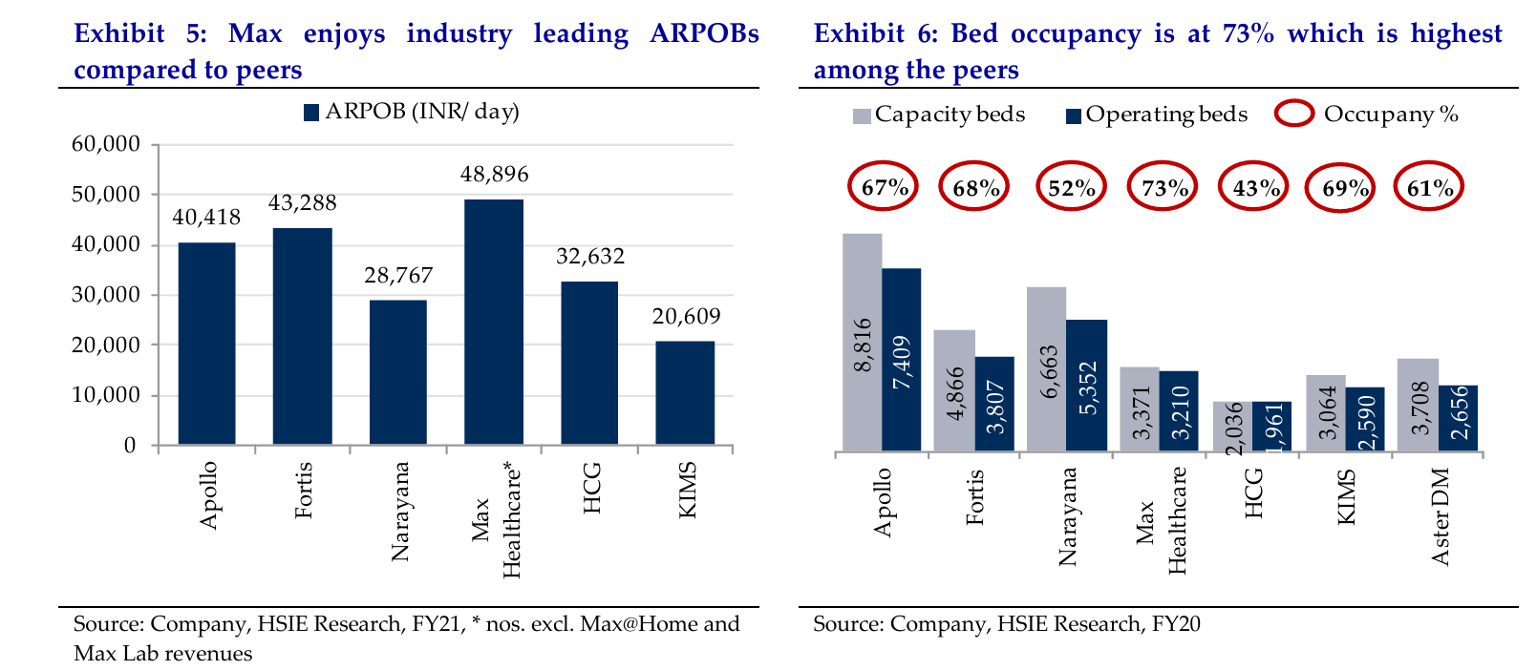
 |  |  |  | OLD DATA FIND NEW

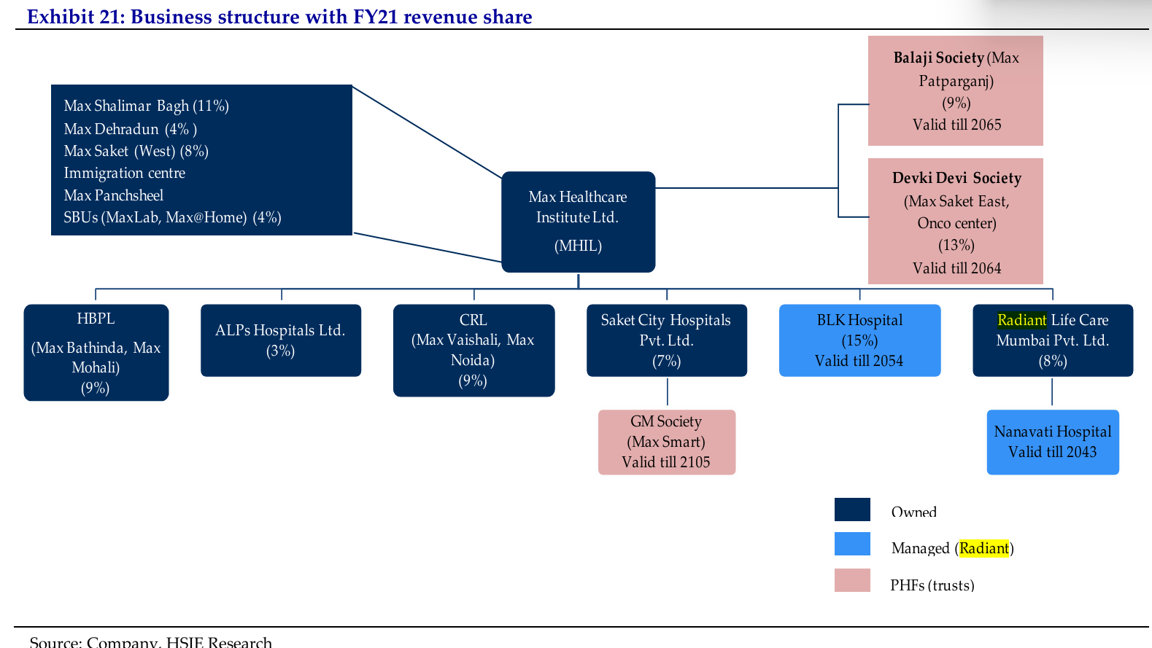

Max runs the largest oncology programme in North India and the largest bone marrow transplant (BMT) programme in Asia.
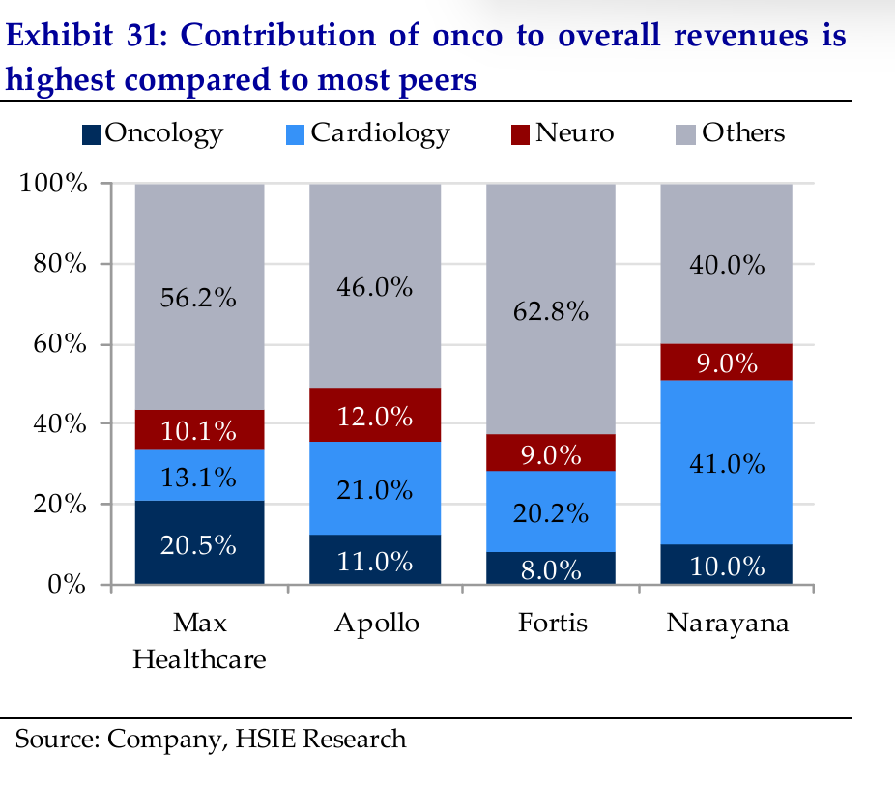

 |  |  | Should find more such specialty to write in report

Max is at pole position for most operating metrics such as ARPOBs, occupancy, EBITDA/bed, etc
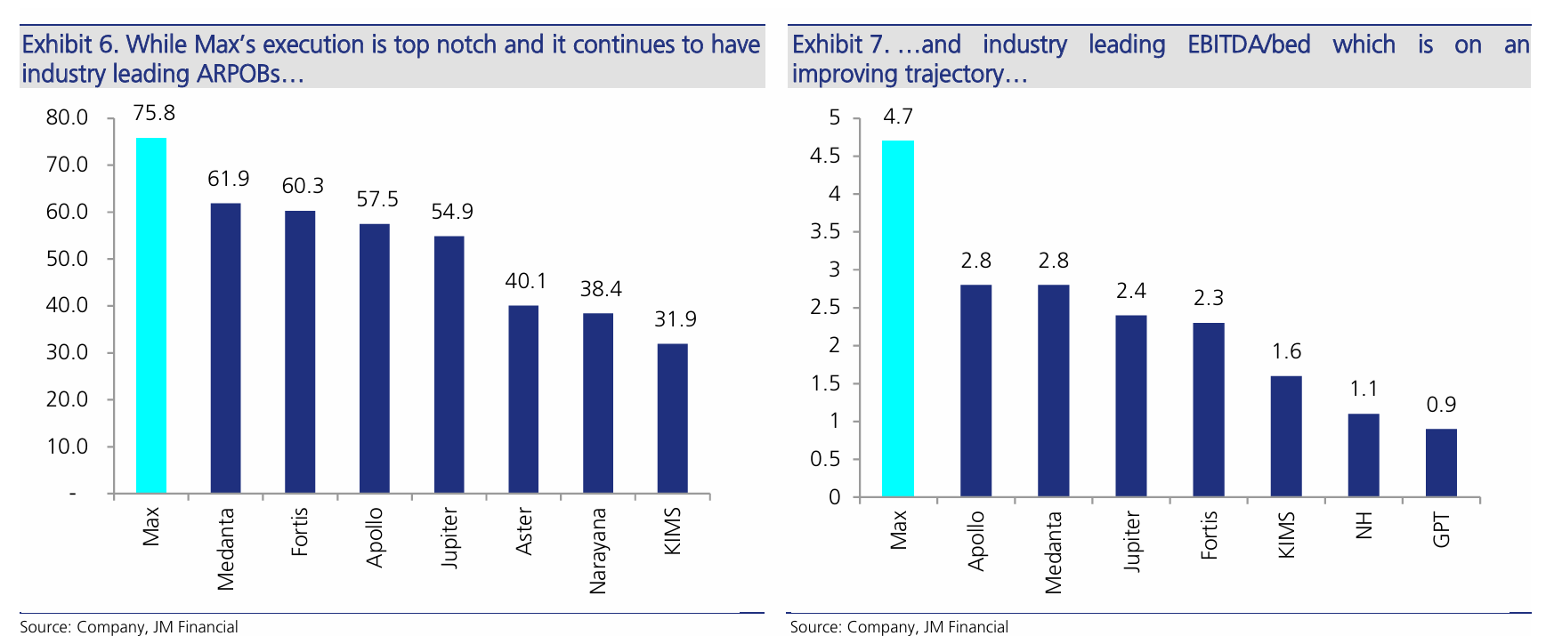

Industry leading metrics: Max leads in ARPOBs, occupancies, EBITDA/bed, ROCE, etc. vs. peers. o

ARPOB: Max caters to the higher-end of the spectrum in quaternary care (just like Medanta) which, along with higher realisations vs. rest of India, yields higher ARPOBs. It has industry-leading ARPOB of INR ~76K (over 20% higher than Medanta). Occupancy: Max’s overall occupancy is ~75% and it is, hence, embarking on a major brownfield expansion. While occupancy is subjective and varies from hospital to hospital, Max has ensured consistency across its assets. Most hospitals believe that sustainable occupancies could be around 75% and Max is already there. Hence future growth is now contingent on brownfield addition and timely execution. EBITDA/bed: Max has the highest EBITDA/bed of INR 4.7 (vs. industry average of 2.3). This is due to optimisation of resources and serious cost focus primarily on account of initiatives taken in FY20-21.

After merger, Max implemented cost-saving initiatives of INR 2.2bn and laid a roadmap for debt reduction as well as brownfield expansion. Management initiatives included: o Get rid of historical baggage – implemented VRS to get rid of unionisation and lower personnel cost; o Reduce Institutional share of patients; o Improve case mix by focusing on subspecialties.

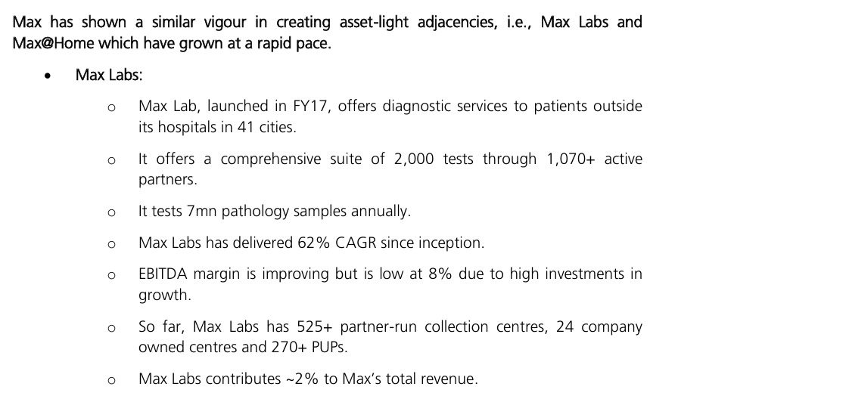
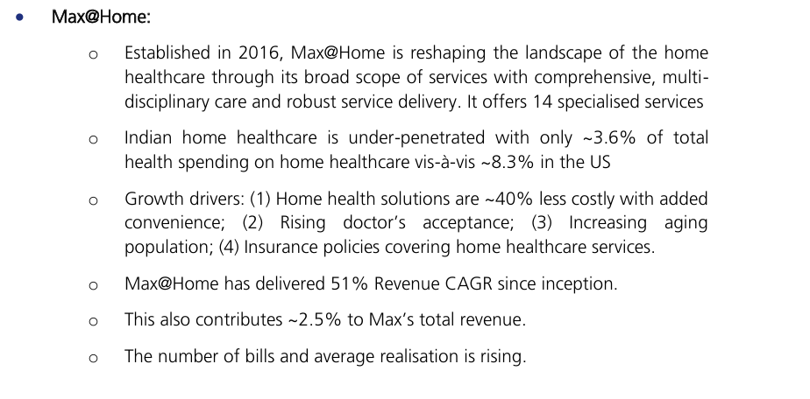

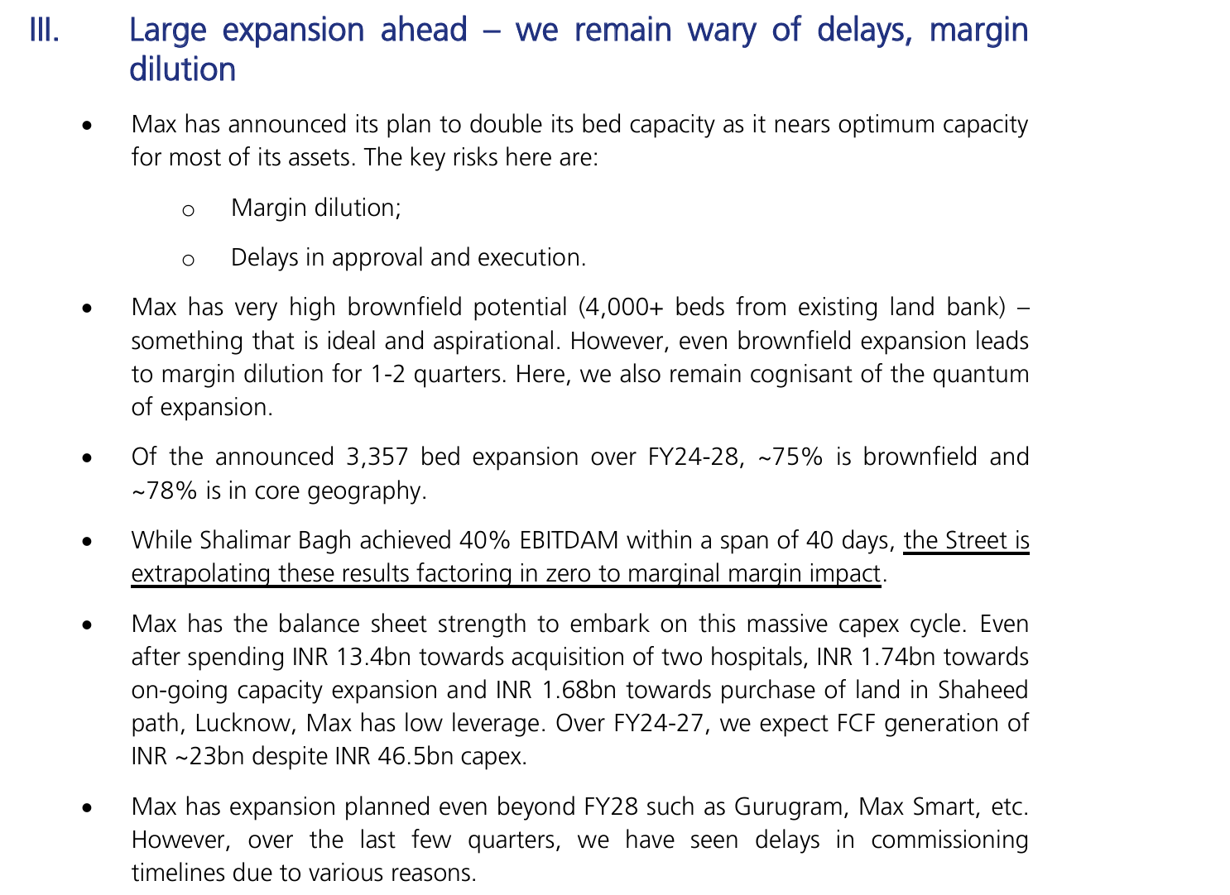

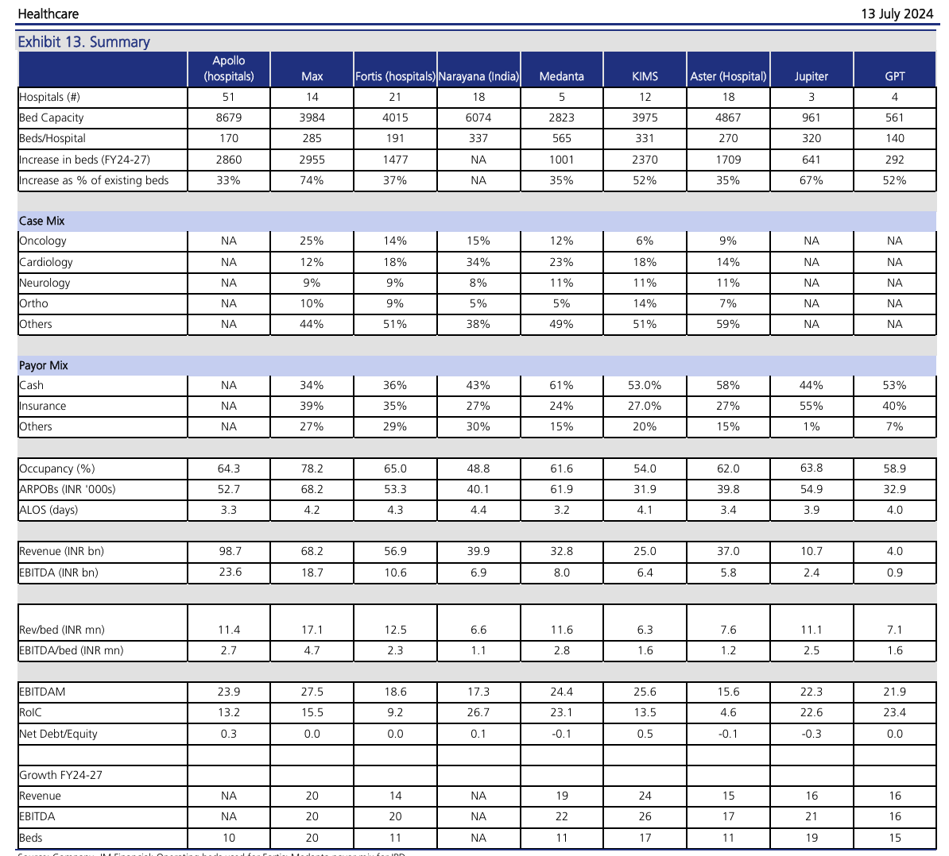

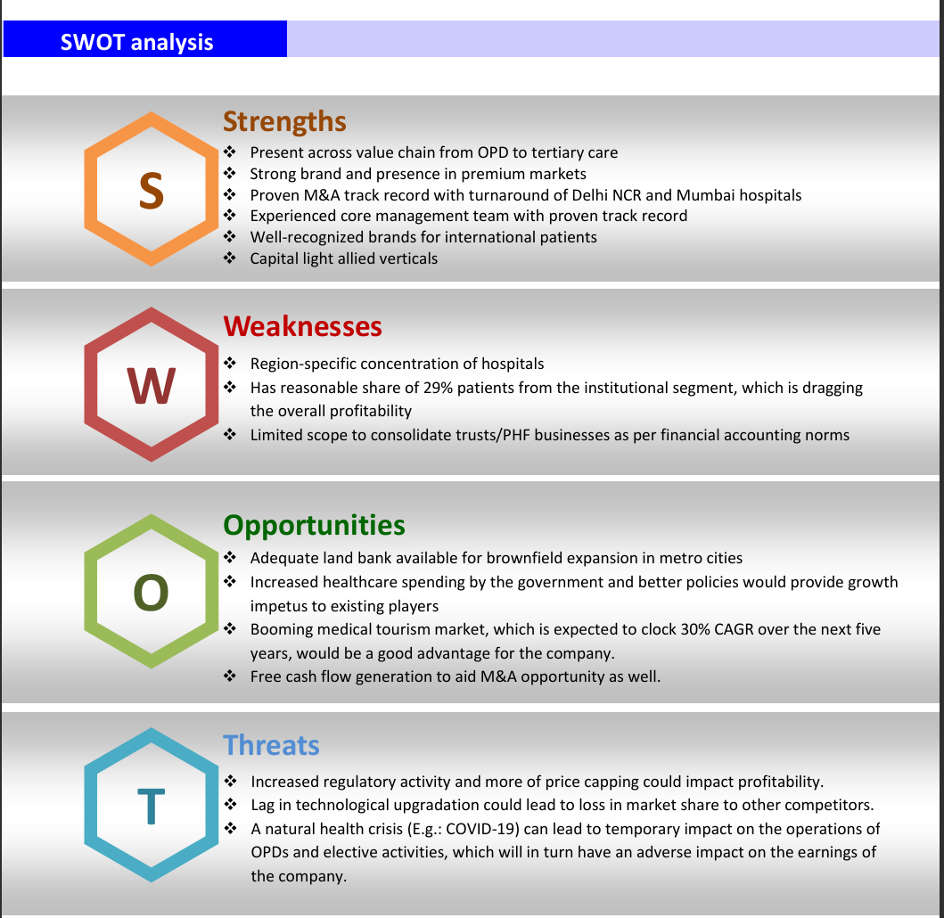
 | Key downside risks
 | ? Delayed medical tourism activity: Any untoward global development may lead
 | to slower-than-expected inflow of international patients’ footfall.
 | ? Fall out in agreements with PHCs: Any fall out in agreement with PHCs (~31% of
 | its revenue base) may lead to non-realization of outstanding receivables/ loans.
 | ? Lower pace of bed additions: Any delay in increasing the bed capacity may
 | result in lower revenue for the company.
 | ? Inferior services hurting the brand recall value: Any unfortunate incident might
 | harm the brand recall of MAXHEALT.
 | ? Impact of regulatory challenges: The regulations with respect to pricing cap on
 | services/patient charges might impact the business adversely.

#Healthcare industry poised for robust growth
Healthcare delivery market driven by in-patients
Enough scope to increase health spend/add hospital beds
Scope for improvement in bed density across cities
Medical value tourism boosts the Indian healthcare industry
Better health insurance coverage to propel the healthcare industry
Lifestyle diseases on the rise
Rising incomes/shifting age profile to drive healthcare business
Healthcare delivery market driven by in-patients

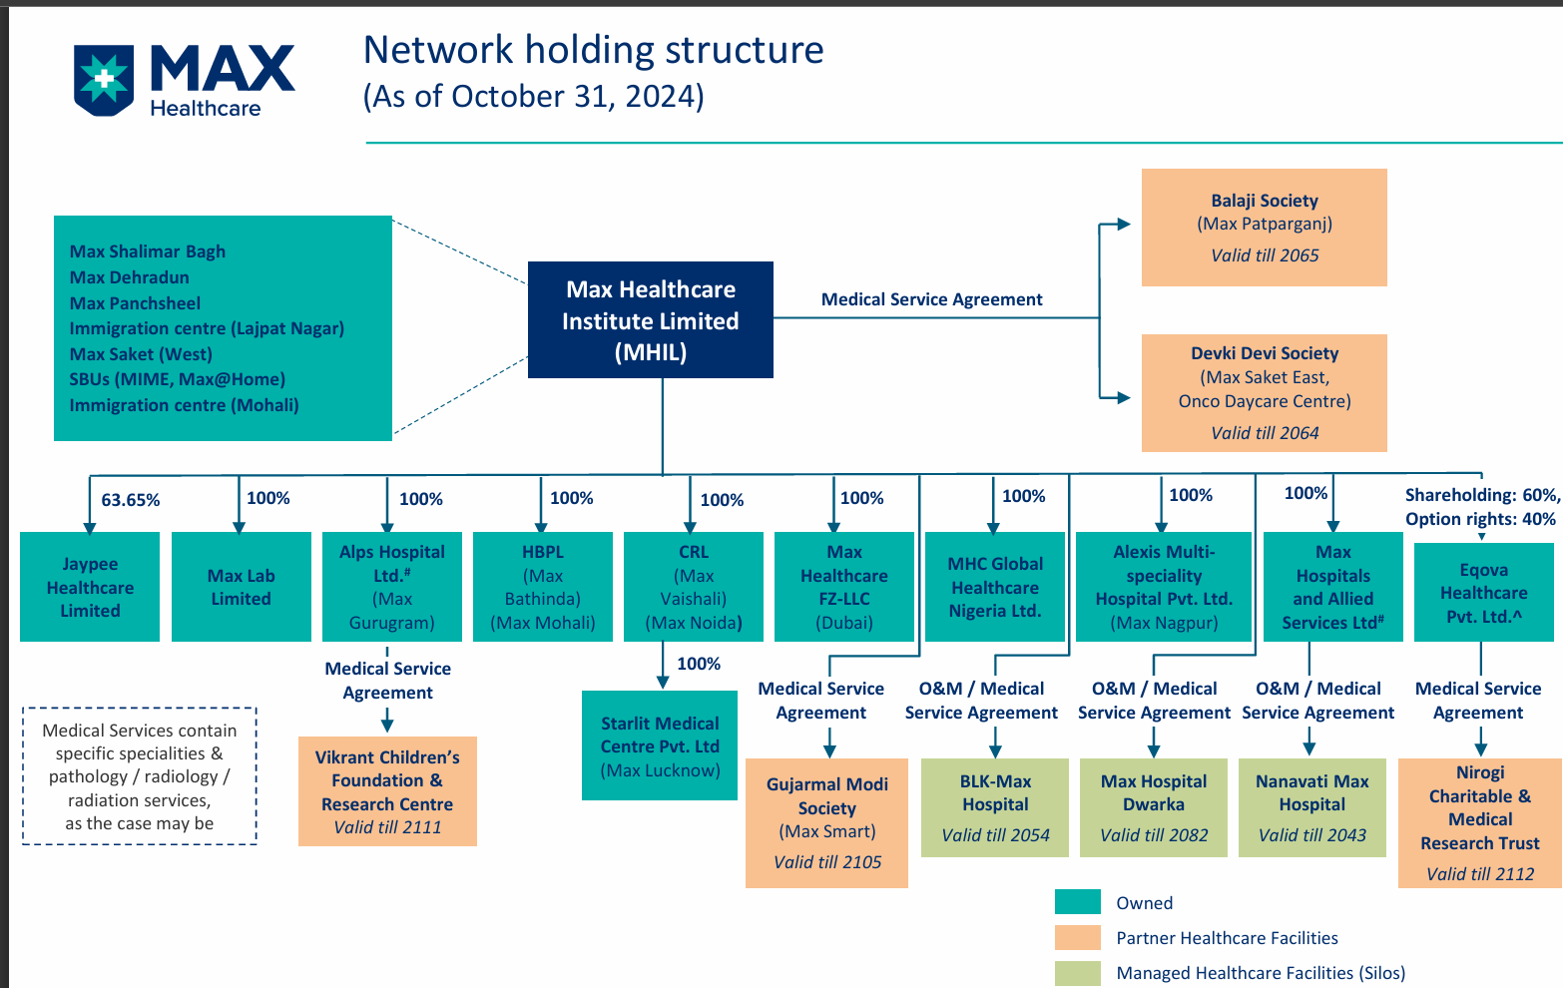
The demand for healthcare services industry in India is driven by higher
instances of chronic ailments, age profile skewing towards vulnerable age
groups, and medical value tourism, and increasing affordability accompanied by
higher insurance penetration to opt for better quality care. Accordingly, the
healthcare industry is expected to deliver 20% CAGR over CY23-25.

Max healthcare has significant cost advantage wrt to other global players
Anywhere from 67-91% discount from global average

# Trendlyne

The Company is a leading hospital chains in India with major concentration in North India consisting of a network of 22 network healthcare facilities,
it provides healthcare services across secondary and tertiary care specialties with key focus on centres of excellence i.e., oncology, neurosciences, cardiac sciences, orthopaedics,renal sciences, liver and biliary sciences and minimal access metabolic and bariatric surgery (MAMBS).In addition to core hospital business, the company has two SBUs, namely, MaxHome and MaxLab. MaxHome is a platform that provides health and wellness services at home. It has 12 service lines, including pathology, pharmacy delivery, physiotherapy and critical care nursing. MaxLab offers pathology services to patients outside of hospitals through a variety of channels including third party hospital laboratory management.

it has established a representative office in Nairobi, Kenya under the name `True Max Healthcare' which helps in partnering with local hospitals, conducting OPDs, assisting the potential patients with medical visas and pre - travel preparation and participating in local events to build its brand internationally.

2016, the company launched its vertical, Max@Home, Max Lab and India's first oncology day-care center at Lajpat Nagar to provide chemotherapy to oncology patients outside the hospital, first standalone immigration center at Lajpat Nagar, New Delhi, the Responder-on-Bike initiative, Max Centre for Liver and Biliary Sciences and oncology dedicated wing in Max Hospital Shalimar Bagh.

